Schedule
[TEPCO's Nursing Chart for the Reactors]
 | Department Name: |  |  |  |  | Fukushima Daiichi Reactors
 |  |  |  |  |  |  |  |  | Under Care

 | Reactor 1: |  |  | 1/1/12

 |  |  |  | 2011-12-26 |  |  | 2011-12-27 |  |  | 2011-12-28 |  |  | 2011-12-29 |  |  | 2011-12-30 |  |  | 2011-12-31 |  |  | 2012-01-01 |  |  | Total
 |  |  |  | Shift | Hours | Dept. | Shift | Hours | Dept. | Shift | Hours | Dept. | Shift | Hours | Dept. | Shift | Hours | Dept. | Shift | Hours | Dept. | Shift | Hours | Dept.
 |  | Number of |  | Off | 400 | 400 unit 1 | 2nd | 8 | Pediatrics | 2nd | 10 | Radiology | 2nd | 10 | Obstetrics & Gynecology | Off |  |  | 1st | 10 | Cardiology | 1st | 10 | Cardiology | 448
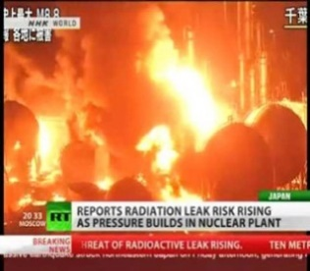
 |  | Fuel Assemblies |  |  |  |  |  |  |  |  |  |  |  |  |  |  |  |  |  |  |  |  |  | 0
 |  | in the Reactor |  |  |  |  |  |  |  |  |  |  |  |  |  |  |  |  |  |  |  |  |  | 0
 |  | Spent Fuel |  |  | 292 | 292 unit 1 |  |  |  |  |  |  |  |  |  |  |  |  |  |  |  |  |  | 292
 |  | Assemblies in the |  |  |  |  |  |  |  |  |  |  |  |  |  |  |  |  |  |  |  |  |  | 0
 |  | Spent Fuel Pool |  |  |  |  |  |  |  |  |  |  |  |  |  |  |  |  |  |  |  |  |  | 0
 |  | New Fuel SFP |  |  | 100 | 100 unit 1 |  |  |  |  |  |  |  |  |  |  |  |  |  |  |  |  |  | 100
 |  | Total |  |  | 792 |  |  | 8 |  |  | 10 |  |  | 10 |  |  | 0 |  |  | 10 |  |  | 10

 | Reactor 2: |  |  | 1/1/12

 |  |  |  | 2011-12-26 |  |  | 2011-12-27 |  |  | 2011-12-28 |  |  | 2011-12-29 |  |  | 2011-12-30 |  |  | 2011-12-31 |  |  | 2012-01-01 |  |  | Total
 |  |  |  | Shift | Hours | Dept. | Shift | Hours | Dept. | Shift | Hours | Dept. | Shift | Hours | Dept. | Shift | Hours | Dept. | Shift | Hours | Dept. | Shift | Hours | Dept.
 |  | Number of |  |  | 548 | 548 unit 2 | Sick |  | Pathology | Off |  | Neonatology | Vacation |  | Emergency |  |  |  |  |  |  |  |  |  | 548
 |  | Fuel Assemblies |  |  |  |  |  |  | 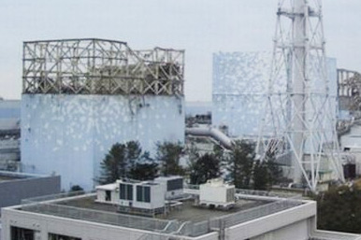 |  |  |  |  |  |  |  |  |  |  |  |  |  |  |  | 0
 |  | in the Reactor |  |  |  |  |  |  |  |  |  |  |  |  |  |  |  |  |  |  |  |  |  |  | 0
 |  | Spent Fuel |  |  | 587 | 587 unit 2 |  |  |  |  |  |  |  |  |  |  |  |  |  |  |  |  |  |  | 587
 |  | Assemblies in the |  |  |  |  |  |  |  |  |  |  |  |  |  |  |  |  |  |  |  |  |  |  | 0
 |  | Spent Fuel Pool |  |  |  |  |  |  |  |  |  |  |  |  |  |  |  |  |  |  |  |  |  |  | 0
 |  | New Fuel SFP |  |  | 28 | 28 unit 2 |  |  |  |  |  |  |  |  |  |  |  |  |  |  |  |  |  |  | 28
 |  | Total |  |  | 1163 |  |  | 0 |  |  | 0 |  |  | 0 |  |  | 0 |  |  | 0 |  |  | 0

 | Reactor 3: |  |  | 1/1/12

this indicates that Unit 3 was fully loaded with MOX
 |  |  |  | 2011-12-26 |  |  | 2011-12-27 |  |  | 2011-12-28 |  |  | 2011-12-29 |  |  | 2011-12-30 |  |  | 2011-12-31 |  |  | 2012-01-01 |  |  | Total
 |  |  |  | Shift | Hours | Dept. | Shift | Hours | Dept. | Shift | Hours | Dept. | Shift | Hours | Dept. | Shift | Hours | Dept. | Shift | Hours | Dept. | Shift | Hours | Dept.
 |  | Number of |  |  | 548 | 548 unit 3 | Off |  | Radiology | Sick |  | Hematology/Oncology | Sick |  | Emergency |  |  |  |  |  |  |  |  |  | 548
 |  | Fuel Assembies |  |  |  |  |  |  | 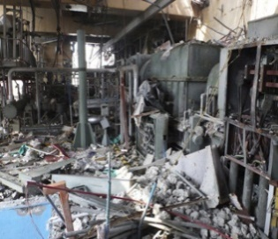 |  |  |  |  |  |  |  |  |  |  |  |  |  |  |  | 0
 |  | in the Reactor |  |  |  |  |  |  |  |  |  |  |  |  |  |  |  |  |  |  |  |  |  |  | 0
 |  | Spent Fuel |  |  | 514 | 514 unit 3 |  |  |  |  |  |  |  |  |  |  |  |  |  |  |  |  |  |  | 514
 |  | Assenblies in the |  |  |  |  |  |  |  |  |  |  |  |  |  |  |  |  |  |  |  |  |  |  | 0
 |  | Spent Fuel Pool |  |  |  |  |  |  |  |  |  |  |  |  |  |  |  |  |  |  |  |  |  |  | 0
 |  | New Fuel SFP |  |  |  | 52 unit 3 |  |  |  |  |  |  |  |  |  |  |  |  |  |  |  |  |  |  | 0
 |  | Total |  |  | 1062 |  |  | 0 |  |  | 0 |  |  | 0 |  |  | 0 |  |  | 0 |  |  | 0

 | Reactor 4: |  |  | 1/1/12

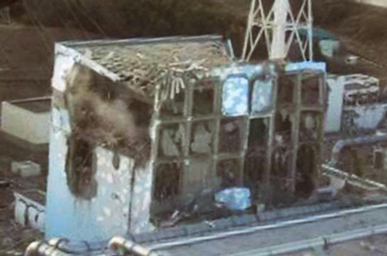
 |  |  |  | 2011-12-26 |  |  | 2011-12-27 |  |  | 2011-12-28 |  |  | 2011-12-29 |  |  | 2011-12-30 |  |  | 2011-12-31 |  |  | 2012-01-01 |  |  | Total
 |  |  |  | Shift | Hours | Dept. | Shift | Hours | Dept. | Shift | Hours | Dept. | Shift | Hours | Dept. | Shift | Hours | Dept. | Shift | Hours | Dept. | Shift | Hours | Dept.
 |  | Number of |  |  | 0 | 0 unit 4 | 3rd |  | Anesthesiology | Sick |  | Nursery | Off |  | Infectious Diseases |  |  |  |  |  |  |  |  |  | 0
 |  | Fuel Assemblies |  |  |  |  |  |  |  |  |  |  |  |  |  |  |  |  |  |  |  |  |  |  | 0
 |  | in the Reactor |  |  |  |  |  |  |  |  |  |  |  |  |  |  |  |  |  |  |  |  |  |  | 0
 |  | Spent Fuel |  |  | 1331 | 1,331 unit 4 |  |  |  |  |  |  |  |  |  |  |  |  |  |  |  |  |  |  | 1331
 |  | Assemblies in the |  |  |  |  |  |  |  |  |  |  |  |  |  |  |  |  |  |  |  |  |  |  | 0
 |  | Spent Fuel Pool |  |  | 204 | 204 unit 4 (MOX) |  |  |  |  |  |  |  |  |  |  |  |  |  |  |  |  |  |  | 204
 |  | New Fuel SFP |  |  |  |  |  |  |  |  |  |  |  |  |  |  |  |  |  |  |  |  |  |  | 0
 |  | Total |  |  | 1535 |  |  | 0 |  |  | 0 |  |  | 0 |  |  | 0 |  |  | 0 |  |  | 0

 |  | Reactor 5: |  |  | 1/1/12

 |  |  |  |  | 2011-12-26 |  |  | 2011-12-27 |  |  | 2011-12-28 |  |  | 2011-12-29 |  |  | 2011-12-30 |  |  | 2011-12-31 |  |  | 2012-01-01 |  |  | Total
 |  |  |  |  | Shift | Hours | Dept. | Shift | Hours | Dept. | Shift | Hours | Dept. | Shift | Hours | Dept. | Shift | Hours | Dept. | Shift | Hours | Dept. | Shift | Hours | Dept.
 |  |  | Number of |  |  | 0 | 548 |  | 548 unit 5 |  |  |  |  |  |  |  |  |  |  |  |  |  |  |  |  | #VALUE!
 |  |  | Fuel Assemblies |  |  |  |  |  |  |  |  |  |  |  |  |  |  |  |  |  |  |  |  |  |  | 0
 |  |  | in the Reactor |  |  |  |  |  |  |  |  |  |  |  |  |  |  |  |  |  |  |  |  |  |  | 0
 |  |  | Spent Fuel |  |  | 1331 | 946 |  | 946 unit 5 |  |  |  |  |  |  |  |  |  |  |  |  |  |  |  |  | #VALUE!
things start to get confused when we get to
Reactors 5 and 6. No pictures, no news, no go.
 |  |  | Assemblies in the |  |  |  |  |  |  |  |  |  |  |  |  |  |  |  |  |  |  |  |  |  |  | 0
 |  |  | Spent Fuel Pool |  |  | 204 | 48 |  | 48 unit 5 |  |  |  |  |  |  |  |  |  |  |  |  |  |  |  |  | #VALUE!
 |  |  | New Fuel SFP |  |  |  |  |  |  |  |  |  |  |  |  |  |  |  |  |  |  |  |  |  |  | 0
 |  |  | Total |  |  | 1535 |  |  | 0 |  |  | 0 |  |  | 0 |  |  | 0 |  |  | 0 |  |  | 0

 |  |  | Reactor 6: |  |  | 1/1/12

 |  |  |  |  |  | 2011-12-26 |  |  | 2011-12-27 |  |  | 2011-12-28 |  |  | 2011-12-29 |  |  | 2011-12-30 |  |  | 2011-12-31 |  |  | 2012-01-01 |  |  | Total
 |  |  |  |  |  | Shift | Hours | Dept. | Shift | Hours | Dept. | Shift | Hours | Dept. | Shift | Hours | Dept. | Shift | Hours | Dept. | Shift | Hours | Dept. | Shift | Hours | Dept.
 |  |  |  | Number of |  |  | 764 |  | 764 unit 6 |  |  |  |  |  |  |  |  |  |  |  |  |  |  |  |  |  | 764
 |  |  |  | Fuel Assemblies |  |  |  |  |  |  |  |  |  |  |  |  |  |  |  |  |  |  |  |  |  |  | 0
 |  |  |  | in the Reactor |  |  |  |  |  |  |  |  |  |  |  |  |  |  |  |  |  |  |  |  |  |  | 0
 |  |  |  | Spent Fuel |  |  | 876 |  | 876 unit 6 |  |  |  |  |  |  |  |  |  |  |  |  |  |  |  |  |  | 876
 |  |  |  | Assemblies in the |  |  |  |  |  |  |  |  |  |  |  |  |  |  |  |  |  |  |  |  |  |  | 0
 |  |  |  | Spent Fuel Pool |  |  | 64 |  | 64 unit 6 |  |  |  |  |  |  |  |  |  |  |  |  |  |  |  |  |  | 64
 |  |  |  | New Fuel SFP |  |  |  |  |  |  |  |  |  |  |  |  |  |  |  |  |  |  |  |  |  |  | 0
 |  |  |  | Total |  |  | 1704 |  |  | 0 |  |  | 0 |  |  | 0 |  |  | 0 |  |  | 0 |  |  | 0

